Vacation 205- Exepneses
EVA air exchange fee is $50.

 |  | cancellation fee |  | $200
 |  | change fee |  | $200
 |  | seat | $

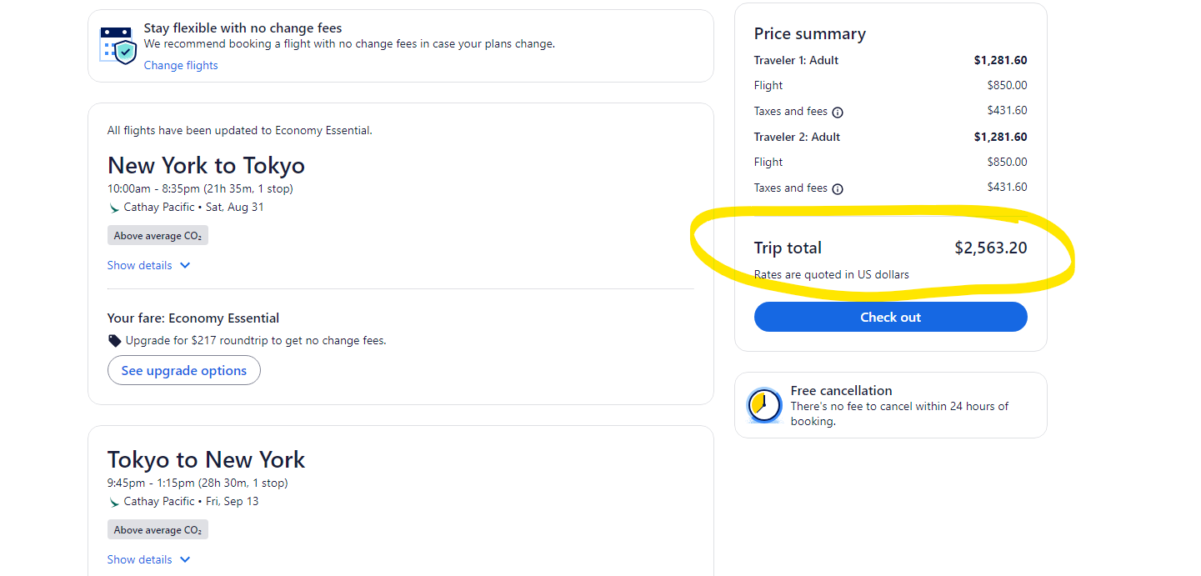
 |  | cancellation fee |  | 200
 |  | change fee |  | $150
 |  | seat |  | included

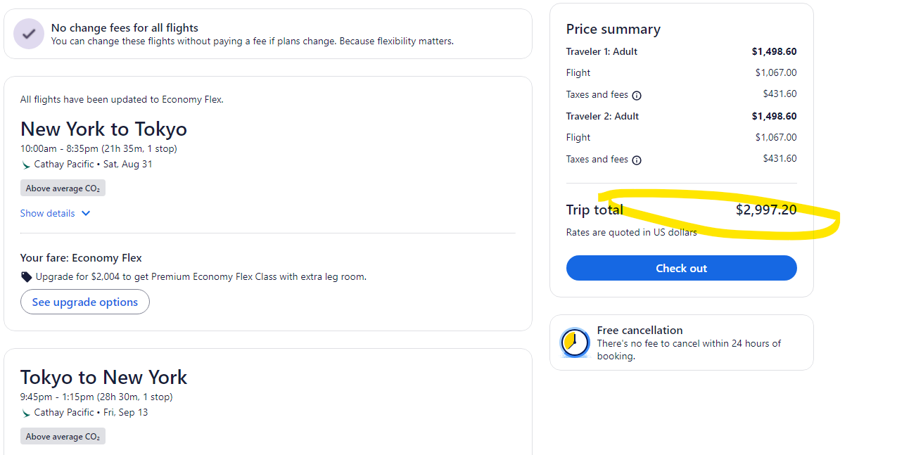

 | cancellation fee | $100
 | change fee | no charge
 | seat | included

Poland and South France 2025
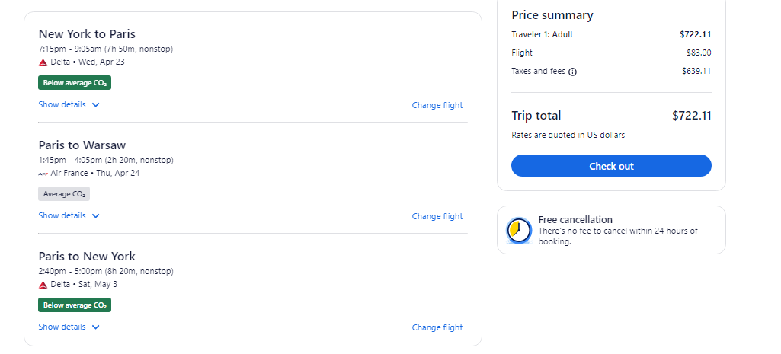
Poland and South of France
 | Option#1 |  |  | Option#2 |  | Option#3
Wednesday | 2025-04-23 | JFK to Paris |  | 2025-04-30 | Tuesday | 2024-05-20 | JFK to Paris
Thursday | 2025-04-24 | Paris to Warsaw |  | 2025-05-01 | Wednesday | 2024-05-21 | Paris to Warsaw
Friday | 2025-04-25 | Poland |  | 2025-05-02 | Thursday | 2024-05-22 | Poland
Saturday | 2025-04-26 | Poland |  | 2025-05-03 | Friday | 2024-05-23 | Poland
Sunday | 2025-04-27 | Poland |  | 2025-05-04 | Saturday | 2024-05-24 | Poland
Monday | 2025-04-28 | Poland |  | 2025-05-05 | Sunday | 2024-05-25 | Poland
Tuesday | 2025-04-29 | Poland / Lourdes |  | 2025-05-06 | Monday | 5/26/2024- Memorial Day | Poland / Paris
Wednesday | 2025-04-30 |  |  | 2025-05-07 | Tuesday | 2024-05-27 | Paris full day
Thursday | 2025-05-01 |  |  | 2025-05-08 | Wednesday | 2024-05-28 | Paris to Lourdes
Friday | 2025-05-02 |  |  | 2025-05-09 | Thursday | 2024-05-29 | Half day Lourdes /
Saturday | 2025-05-03 | Paris- Home |  | 2025-05-10 | Friday | 2024-05-30
 |  |  |  |  | Saturday | 2024-05-31 | Paris- Home
 |  | April 23 /2025 | April 24 2025
JFK toParis | Delta non stop | 7:15pm | 9:05 am |  |  |  | May 20 /2025 | May 21 2025
Paris to Warsaw | LOT no stop |  | 10:45am | 1:05pm | JFK to Paris | Delta non stop | 8:15pm | 10:00am
 |  |  |  |  | Paris to Warsaw | Air France nonstop | 1:45pm | 4:05pm
Warsaw to Lourdes
 |  |  |  |  | Warsaw to Paris | Lot non stop | 4:25pm | 6:50pm
Lourdes to Paris
 |  | May 3 2025 | May 3 2025 |  |  |  | May 31 2025 | May 31 2025
Paris to JFK | Delta non stop | 2:40pm | 5pm |  | Paris to JFK | Delta non stop | 9:30am | 11:45am

Delta JFK- Paris 2pp | $1,116.42 |  |  |  | Delta JFK- Paris 2pp | $1,396.42
Paris to Warsaw 2pp | $340.00 |  |  |  | Paris to Warsaw Round trip 2pp | $771.20
 | $1,456.42 |  |  |  |  | $2,167.62
 |  | 2pp
MultiCity Option | $722.11 | $1,444.22

